Sheet1
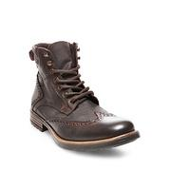
LAT_0500044921526

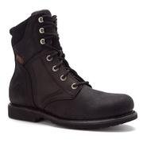
ONSH_308767

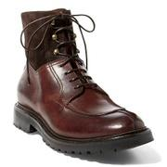
RALPH_101694226

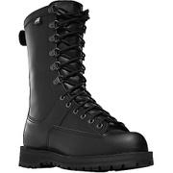
MOOSEJAW_10321897

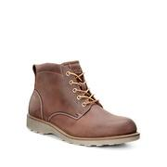
LAT_0500019204965

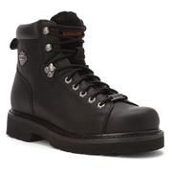
ONSH_406251

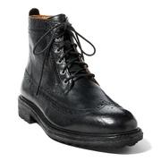
RALPH_104353876

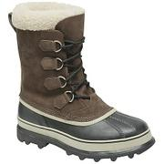
MOOSEJAW_10018293

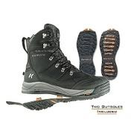
MOOSEJAW_10230360

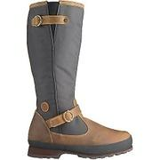
MOOSEJAW_10296926

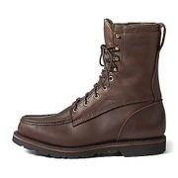
MOOSEJAW_10266632

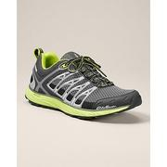
EDDIEBAUER_91903483

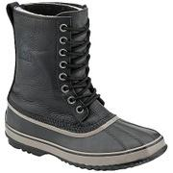
MOOSEJAW_10117947

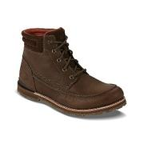
MOOSEJAW_10316960

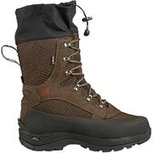
MOOSEJAW_10230476

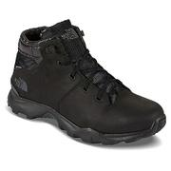
MOOSEJAW_10317128

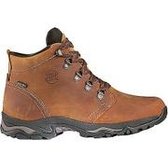
MOOSEJAW_10296912

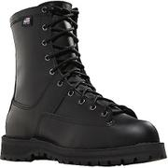
MOOSEJAW_10321928

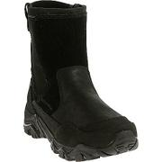
MOOSEJAW_10287400

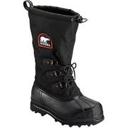
MOOSEJAW_10255254

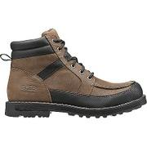
MOOSEJAW_10290211

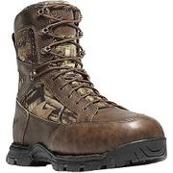
MOOSEJAW_10259756

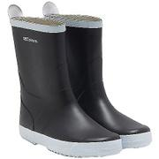
MOOSEJAW_10284487

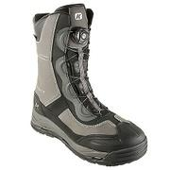
MOOSEJAW_10230355

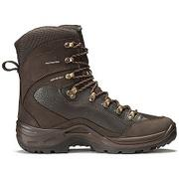
MOOSEJAW_10259690

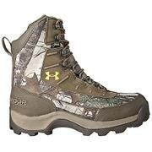
MOOSEJAW_10247440

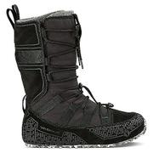
MOOSEJAW_10317995

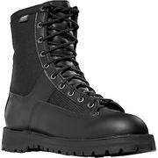
MOOSEJAW_10321881

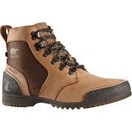
MOOSEJAW_10286403

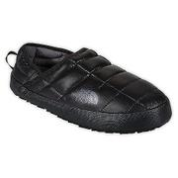
MOOSEJAW_10284867

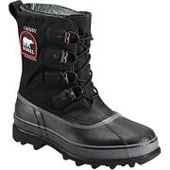
MOOSEJAW_10255252

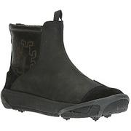
MOOSEJAW_10296742

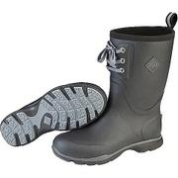
MOOSEJAW_10299598

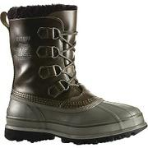
MOOSEJAW_10117972

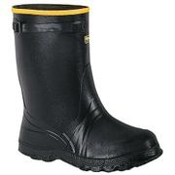
MOOSEJAW_10219361

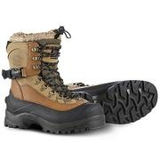
MOOSEJAW_10022838

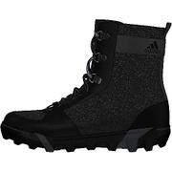
MOOSEJAW_10255670

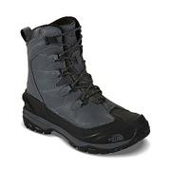
MOOSEJAW_10316973

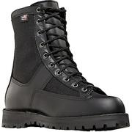
MOOSEJAW_10321882

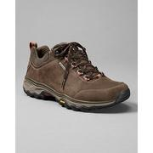
EDDIEBAUER_91903501

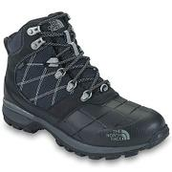
MOOSEJAW_10199726

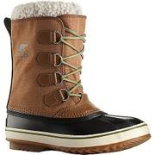
MOOSEJAW_10255244

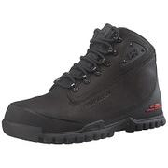
MOOSEJAW_10213975

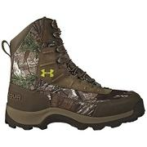
MOOSEJAW_10247437

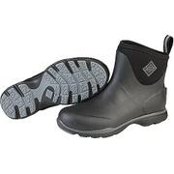
MOOSEJAW_10299886

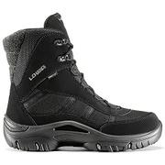
MOOSEJAW_10216462

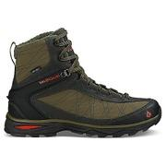
MOOSEJAW_10317993

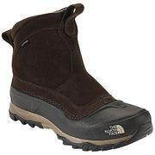
MOOSEJAW_10199725

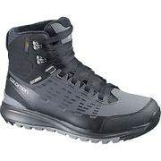
MOOSEJAW_10258698

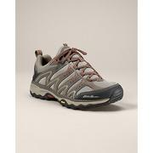
EDDIEBAUER_91903392


MOOSEJAW_10315854


MOOSEJAW_10199724


MOOSEJAW_10219369


MOOSEJAW_10299170


MOOSEJAW_10251539


MOOSEJAW_10216604


MOOSEJAW_10327263


MOOSEJAW_10252246


MOOSEJAW_10287741


MOOSEJAW_10317746


MOOSEJAW_10260711


MOOSEJAW_10299616


MOOSEJAW_10259689


MOOSEJAW_10284547


MOOSEJAW_10251546


MOOSEJAW_10299602


MOOSEJAW_10290736


MOOSEJAW_10290133


MOOSEJAW_10324744


MOOSEJAW_10296903


MOOSEJAW_10319326


MOOSEJAW_10284592


MOOSEJAW_10260898


EDDIEBAUER_91903391


MOOSEJAW_10036347


MOOSEJAW_10317167


MOOSEJAW_10290193


MOOSEJAW_10222829


MOOSEJAW_10226978


MOOSEJAW_10319334


MOOSEJAW_10323153


MOOSEJAW_10284871


MOOSEJAW_10251544


MOOSEJAW_10255258


MOOSEJAW_10256092


MOOSEJAW_10296744


MOOSEJAW_10255251


MOOSEJAW_10299628


MOOSEJAW_10299600


MOOSEJAW_10322023


EDDIEBAUER_91903514


MOOSEJAW_10299658


MOOSEJAW_10296755


MOOSEJAW_10299155


EDDIEBAUER_91904000


MOOSEJAW_10323713


MOOSEJAW_10286427


MOOSEJAW_10286926


MOOSEJAW_10324578


MOOSEJAW_10287826


MOOSEJAW_10258697


MOOSEJAW_10204284


MOOSEJAW_10317730


MOOSEJAW_10321936


MOOSEJAW_10219367


MOOSEJAW_10321885


MOOSEJAW_10198256


MOOSEJAW_10316959


MOOSEJAW_10259979


EDDIEBAUER_91903481


MOOSEJAW_10259758


MOOSEJAW_10262149


MOOSEJAW_10296753


MOOSEJAW_10321917


MOOSEJAW_10204240


MOOSEJAW_10321923


MOOSEJAW_10299177


NEIMAN_prod188230124


NEIMAN_prod190330308


SAKS_0400087610836


LAT_0500047596747


LAT_0500019985613


SAKS_0400086921825


LAT_0500087018008


SAKS_0400088512898


SAKS_0400089650044


SAKS_0400090781620


LAT_0500043482983


LAT_0500046985198


BDGM_prod114920159


NEIMAN_prod164110176


LAT_0500086136025


ALLENED_SF6136


NEIMAN_prod180340015


LAT_0500085127900


SAKS_0400091398778


NEIMAN_prod177920448


NEIMAN_prod193400098


BDGM_prod122910023


LAT_0500019617059


LAT_0500019440551


BDGM_prod118590014


COLEHAAN_C20707


LAT_0500019400498


NEIMAN_prod189570696


LAT_0500019153592


LAT_0500019220680


LAT_0500018265603


NEIMAN_prod178850108


COLEHAAN_C23432

